Screenshot
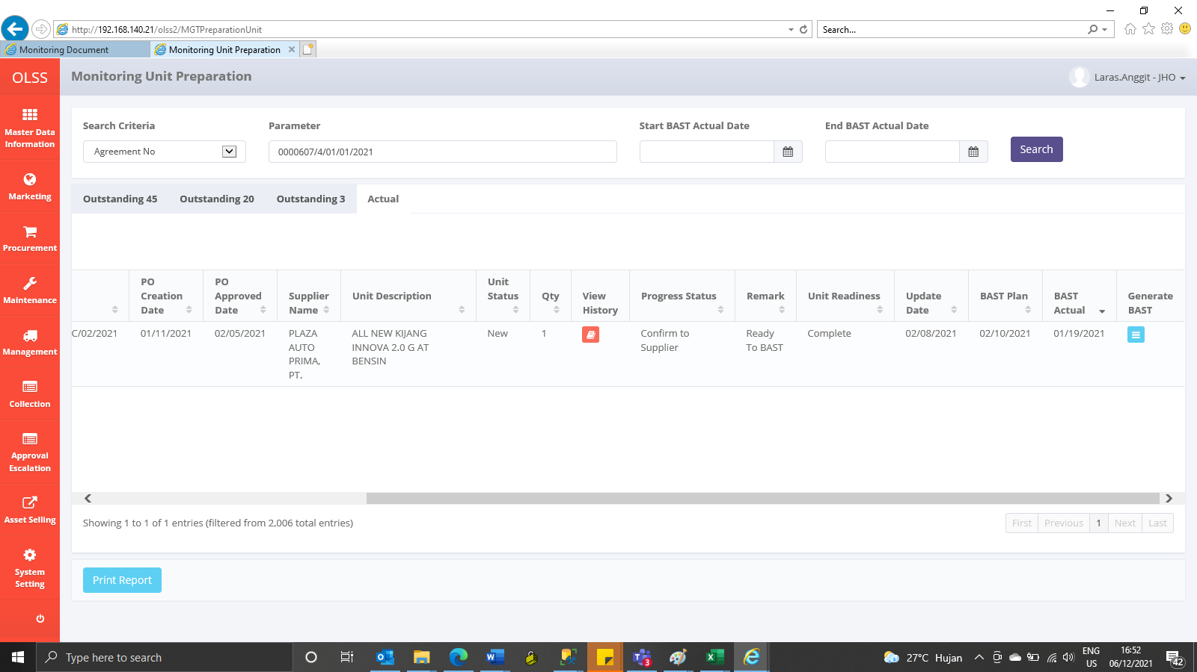
BEFORE

AFTER

